CoverPage
Contact
MessagerefID
CorrMessageRefID
MessagetypeIndic | CBC401 | New CBC401/Correction CBC402
Reporting period | 2020-06-30
ReportingEntityResCountryCode | ZA
ReportingEntityTINIssuedBy | ZA
ReportingEntityTINValue | 9825178719 | Reporting Entity Tax Nr
OrganisationalINIssuedBy | ZA
OrganisationalINValue | 1946/021048/06 | Reporting Entity CO Registration Nr
OrganisationName | IMPERIAL HOLDINGS LTD | Reporting Entity Name
AddressCountryCode | ZA
Address | 79 Boeing Road East; Bedforview; 2007
LegalAddressType | OECD304
NameMNEGroup | IMPERIAL HOLDINGS LTD
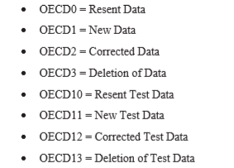
ReportingRole | CBC701
ReportingEnt-DocSpec-DocTypeIndic | OECD1 | Different numbers to consider - e.g. 0, resent, 2/3correction and deletion.
ReportingEnt-DocSpec-DocRefID |  | This must always be a unique number.
ReportingEnt-CorrDocRefID |  | This to be included in case of a correction.
Warning | NONE | This is to explain different financial years to the reporting year/only 10months of data used etc.
Declaration Date | 2021-06-20 | Date CbCR is filed (yymmdd)
Contact-Surname | Marais
Contact-FirstNames | Maggie
Contact-BusinessTel | 0115538764
Contact-BusinessTel2
Contact-Cell | 0749500000
Contact-EmailAdress | maggie.marais@imperiallogistics.com
ConsolGroupRev | 46,379,843,306 | Consolidated group revenue
DocRefPrefix | ZA2020-9825178719-

Additional Information
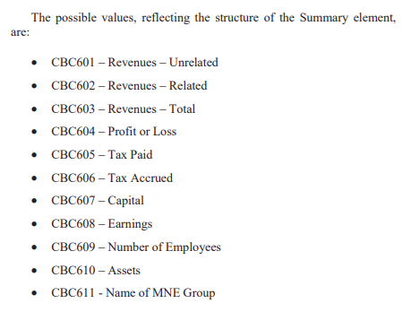
DETAIL | CountryCodes | SummaryRef | DocTypeIndic | DocRefID | CorrRefID
1. Annual financial statements were used as source. | AE,AT,BE,BW,CH,CN,CZ,DE,ES,FI,FR,GB,GH,HU,IT,KE,LU,MU,MW,MZ,NA,NG,NL,PL,PY,SE,SZ,US,ZA,ZM | CBC601,CBC602,CBC603,CBC604,CBC605,CBC606,CBC607,CBC608,CBC609,CBC610,CBC611 | OECD1
2. All amounts were translated to the stated funcitonal currency of the ultimate parent at the average exchange rate fr the year. | AE,AT,BE,BW,CH,CN,CZ,DE,ES,FI,FR,GB,GH,HU,IT,KE,LU,MU,MW,MZ,NA,NG,NL,PL,PY,SE,SZ,US,ZA,ZM | CBC601,CBC602,CBC603,CBC604,CBC605,CBC606,CBC607,CBC608,CBC609,CBC610,CBC611 | OECD1
 |  |  | OECD1
 |  |  | OECD1
 |  |  | OECD1
 |  |  | OECD1
 |  |  | OECD1
 |  |  | OECD1
 |  |  | OECD1
 |  |  | OECD1
 |  |  | OECD1
 |  |  | OECD1
 |  |  | OECD1
 |  |  | OECD1
 |  |  | OECD1
 |  |  | OECD1
 |  |  | OECD1
 |  |  | OECD1
 |  |  | OECD1
 |  |  | OECD1
 |  |  | OECD1
 |  |  | OECD1
 |  |  | OECD1
 |  |  | OECD1
 |  |  | OECD1
 |  |  | OECD1
 |  |  | OECD1
 |  |  | OECD1
 |  |  | OECD1
 |  |  | OECD1
 |  |  | OECD1
 |  |  | OECD1
 |  |  | OECD1
 |  |  | OECD1
 |  |  | OECD1
 |  |  | OECD1
 |  |  | OECD1
 |  |  | OECD1
 |  |  | OECD1
 |  |  | OECD1

CE_AE
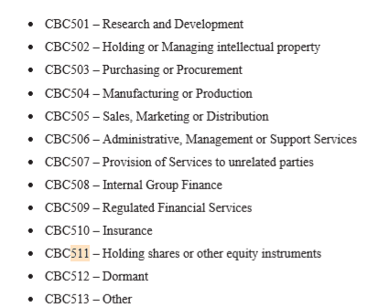
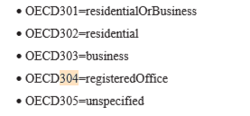
Name | Organisation IN value | Organisation IN issued by | TIN value | TIN Issued by | Incorp country code | Resident country | Activities | Address | Address country code | Legal Address type
Africa Consumer Products DMCC | DMCC162826 | AE | NOTIN | AE | AE | AE | CBC503; | Unit 1802-C, Reef Tower,Plt No: JLT-PH2-O1A,Jumeirah Lake Dubai | AE | OECD304
Eco Health JLT | JLT 4293 | AE | NOTIN | AE | AE | AE | CBC507; | 1406 Jumeriah Bay Tower,Dubai | AE | OECD304
Imperial Medical Solutions FZE | 175918 | AE | NOTIN | AE | AE | AE | CBC507; | Unit R904-14,Jumeirah Lake, Dubai | AE | OECD304
Imperial Mercantile Solutions DMCC | DMCC16203 | AE | NOTIN | AE | AE | AE | CBC507; | Unit R904-14,Jumeirah Lake, Dubai | AE | OECD304

